Info
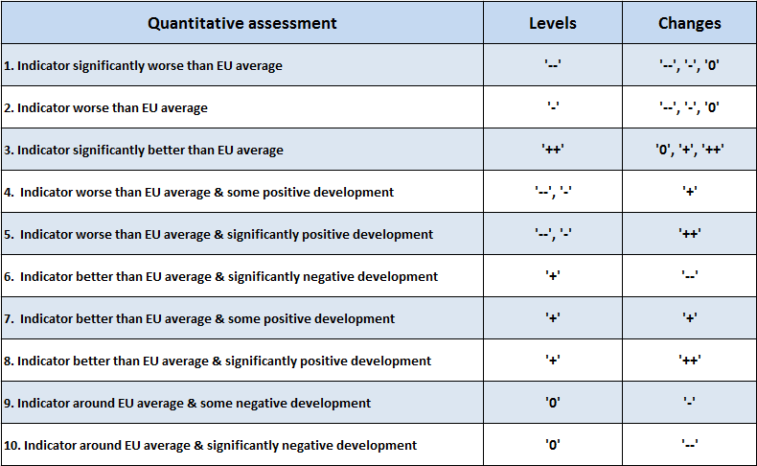
Classification used in the Employment/Social challenges column in ..._add worksheets:
Quantitative assessment | Good or bad?
1. Indicator significantly worse than EU average | − Bad
2. Indicator worse than EU average | − Bad
3. Indicator significantly better than EU average | + Good
4. Indicator worse than EU average & some positive development | − Bad
5. Indicator worse than EU average & significantly positive development | − Bad
6. Indicator better than EU average & significantly negative development | − Bad
7. Indicator above better than EU average & some positive development | + Good
8. Indicator above better than EU average & significantly positive development | + Good
9. Indicator around EU average & some negative development | − Bad
10. Indicator around EU average & significantly negative development | − Bad

